Sample Net Profit Bonus Design
Designing Incentive Pool Funded by Net Sales |  |  |  |  |  |  |  |  |  | Formulas
This sheet is locked due to copy right restrictions. Contact Karey if you'd would like her to create an analogous solution to automate your manual work today |  |  |  |  |  |  |  | Fiscal Start Date | 2022-09-01
 |  |  |  |  |  |  |  | Fiscal End Date (+1 day) | 2023-10-01
 |  |  |  |  |  |  |  | Most bonus fiscal year follows calendar year (Jan - Dec)

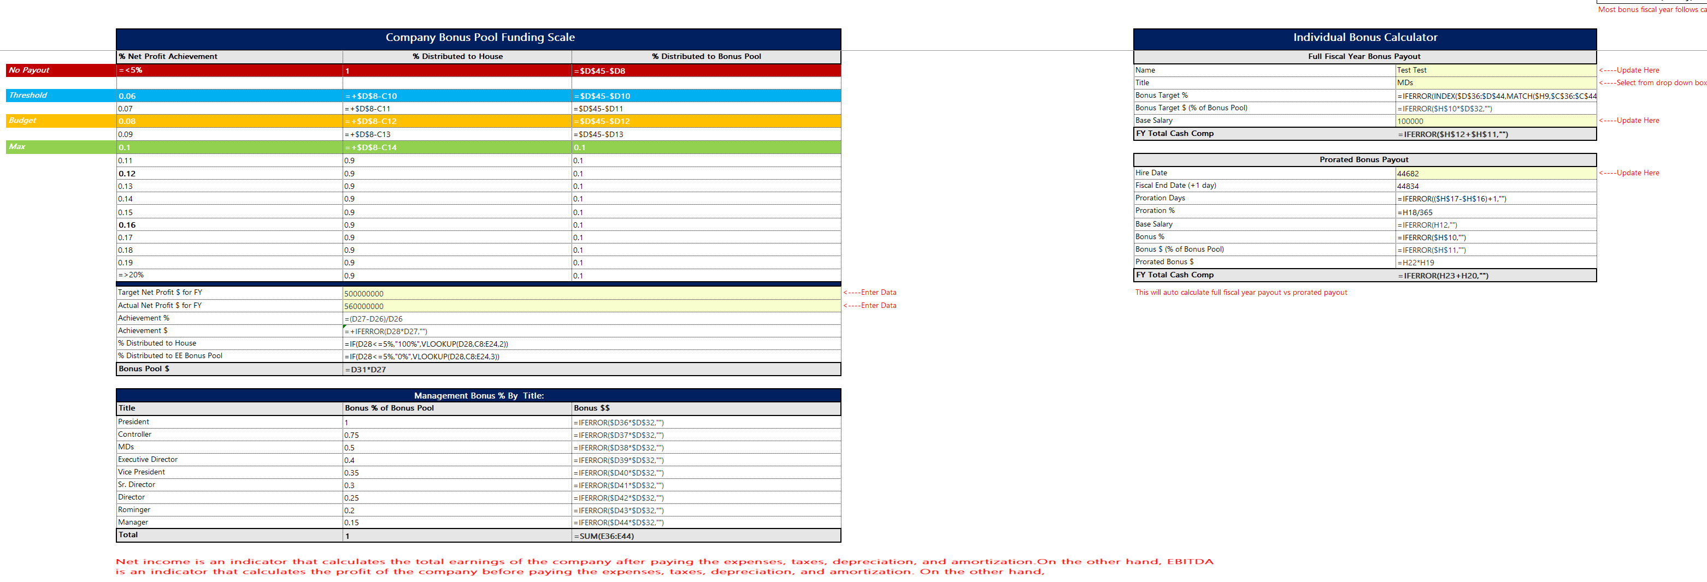
 |  | Company Bonus Pool Funding Scale |  |  |  | Individual Bonus Calculator
 |  | % Net Profit Achievement | % Distributed to House | % Distributed to Bonus Pool |  | Full Fiscal Year Bonus Payout
 | No Payout | =<5% | 100% | 0% |  | Name | Test Test | <----Update Here
 |  |  |  |  |  | Title | MDs | <----Select from drop down box
 | Threshold | 6% | 94% | 6% |  | Bonus Target % | 50%
 |  | 7% | 93% | 7% |  | Bonus Target $ (% of Bonus Pool) | 28,000,000
 | Budget | 8% | 92% | 8% |  | Base Salary | 100,000 | <----Update Here
 |  | 9% | 91% | 9% |  | FY Total Cash Comp | 28,100,000
 | Max | 10% | 90% | 10%
 |  | 11% | 90% | 10% |  | Prorated Bonus Payout
 |  | 12% | 90% | 10% |  | Hire Date | 2022-05-01 | <----Update Here
 |  | 13% | 90% | 10% |  | Fiscal End Date (+1 day) | 2022-09-30
 |  | 14% | 90% | 10% |  | Proration Days | 153
 |  | 15% | 90% | 10% |  | Proration % | 42%
 |  | 16% | 90% | 10% |  | Base Salary | 100,000
 |  | 17% | 90% | 10% |  | Bonus % | 50%
 |  | 18% | 90% | 10% |  | Bonus $ (% of Bonus Pool) | 28,000,000
 |  | 19% | 90% | 10% |  | Prorated Bonus $ | 11,736,986
 |  | =>20% | 90% | 10% |  | FY Total Cash Comp | 11,836,986

 |  | Target Net Profit $ for FY | 500,000,000 |  | <----Enter Data | This will auto calculate full fiscal year payout vs prorated payout
 |  | Actual Net Profit $ for FY | 560,000,000 |  | <----Enter Data
 |  | Achievement % | 12%
 |  | Achievement $ | 67,200,000
 |  | % Distributed to House | 90%
 |  | % Distributed to EE Bonus Pool | 10%
 |  | Bonus Pool $ | 56,000,000

 |  | Management Bonus % By Title:
 |  | Title | Bonus % of Bonus Pool | Bonus $$
 |  | President | 100% | 56,000,000
 |  | Controller | 75% | 42,000,000
 |  | MDs | 50% | 28,000,000
 |  | Executive Director | 40% | 22,400,000
 |  | Vice President | 35% | 19,600,000
 |  | Sr. Director | 30% | 16,800,000
 |  | Director | 25% | 14,000,000
 |  | Rominger | 20% | 11,200,000
 |  | Manager | 15% | 8,400,000
 |  | Total | 100% | 218,400,000

Sample Comp Statement
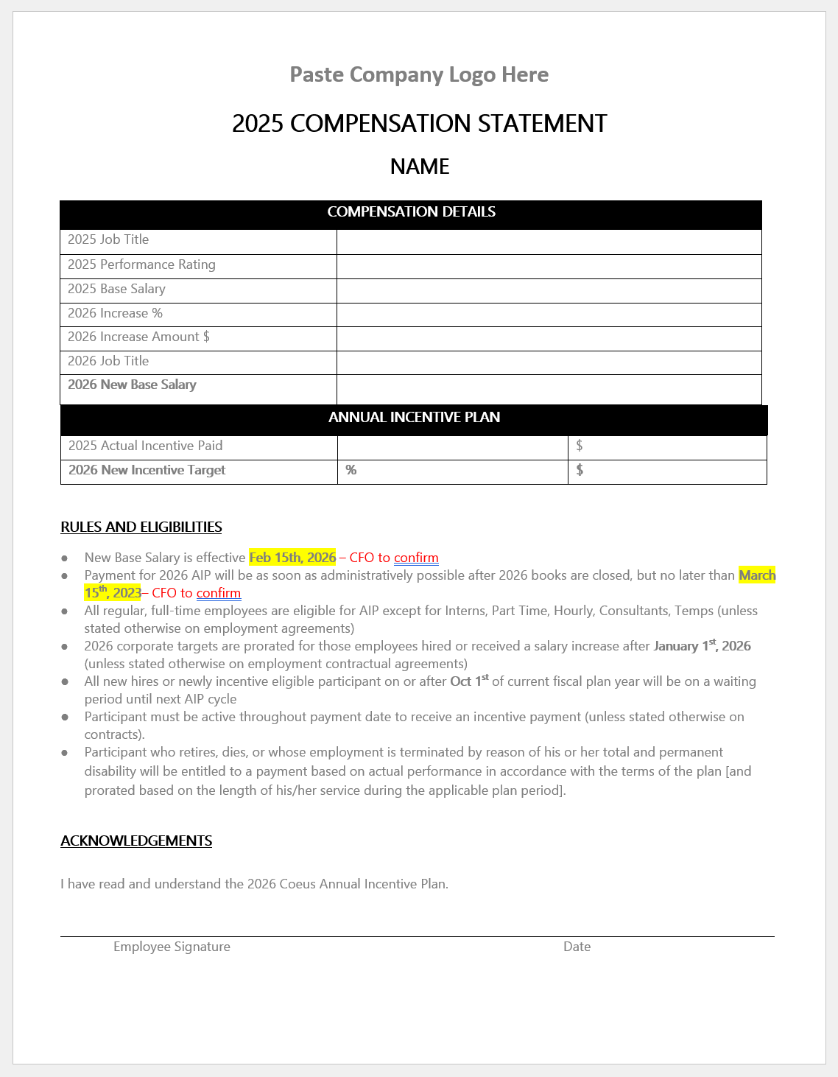
If the Total Rewards statement module is not configured in Workday, Karey may create all employee compensation statements automatically using Mail Merge (old school method)
This sheet is locked due to copy right restrictions. Contact Karey if you'd would like her to create an analogous solution to automate your manual work today

